1. Title Page
[Instacart Grocery Basket Analysis]

Project Name: Instacart Grocery Basket Analysis
Date: 2 August, 2024
Analyst Name: Liam Anderson

Contents:
Population Flow
Consistency checks
Wrangling steps
Column derivations
Visualizations
Recommendations

Citation:
“The Instacart Online Grocery Shopping Dataset 2017”, Accessed from www.instacart.com/datasets/grocery-shopping-2017 via Kaggle on <2 August, 2024>.

2. Population Flow
Title page

Population flow

Exclusion flag
Condition: max_order < 5
Obervations to be removed: 1440295
Final total count of order_products_all: 30964564

Orders_products_combined
Orders_products_merged
Orders_products_all

Total: (32434489 , 10)
Total: (32404859 , 14)
Total: (32404859, 30)

1.) The grey boxes in the first row of the population flow represent the original data sets as they were when you downloaded them. In the Total fields you need to add the count of the rows when you imported the data set into Jupyter.
2.) The second row of boxes (coloured) represents the data sets after you manipulated them, e.g., removed missing values and duplicates. In the Total fields you need to add the count of the rows after conducting these operations. This offers a visual oveview of how the data flows throughout the data consistency checks.
3.) The third row, where also the arrows are coloured, represents the merges you performed between the datasets. In the Total fields you need to add the count of the rows in the merged datasets, so that you end up with the final dataset (in the red box). Keep in mind the final dataset should be without exclusions (based on the exclusion flag).

3. Consistency checks
 |  |  |  | Title page
Consistency checks

Dataset | Missing values | Missing values treatment | Duplicates
orders | 206209 | Kept because NaN=0 | 0
products | 16 | Droped | 5
orders_products_prior | 0 | NA | 0
customers | 11259 | Kept because last name was available | 0

4. Wrangling steps
 |  |  |  | Title page
Wrangling steps

Columns dropped | Columns renamed | Columns' type changed | Comment/Reason
eval_set |  |  | Not relevant
 | order_dow : order_day_of_week |  | Easier to understand
 |  | order_id to string | No calculations need to be performed on order_id
_merge |  |  | Not needed after checking value count and merge was successful
aisle_id |  |  | Not necessary and data set was to large
add_to_cart_order |  |  | Not necessary and data set was to large
First_name |  |  | PII
Surname |  |  | PII
max_order |  |  | Not necessary and data set was to large

5. Column derivations
 |  |  |  | Title page

Column derivations and aggregations

In this tab you should add tables below that the frequences of flags/label variables that you produced after deriving them. NB: don't do this for continuous variables, only for flags.
Dataset | New column | Column/s it was derived from | Conditions
ords_prods_merge | price_range | prices | Price <=5 then low-range product. Price > 5 and <= 15 then mid-range product. Price > 15 then high-range product.
 | busiest_day | orders_day_of_week | Day 0 was busiest day. Day 4 was least busy day. The rest are regular busy days.
 | busiest_days | orders_day_of_week | Day 0 and 1 was busiest days. Day 3 and 4 was least busy days. The rest are regular busy days.
 | busiest_period_of_day | order_hour_of_day | if value between 10, 11, 14, 15, 13, 12, 16, 9 then "most orders". If value between 17, 8, 18, 19, 20, 7, 21, 22 then "average orders". Any other value is "fewest orders"
 | loyalty_flag | max_order | If max order is greater then 40 then "loyal customer". If max order is between 10 and 40 then "regular customer". If max order is under 10 then "New customer".
 | spending flag | mean_spending_price | if mean spending is greater then 10 then "high spender". If mean spending is lower then 10 then "low spender".
 | order_frequency_flag | median_days_since_prior_order | if median days since prior order was more then 20 then "non-frequent customer". If median days since prior order was between 10 and 20 then "regular customer". If median days since prior order is less then 10 then frequent customer.
final_merged | region | State | seperated the states into 4 regions
 | exclusion_flag | max_order | exclude everyone with less then 5 orders and include everyone with more then 5 orders
 | age_group | age | less then 39 is "young adult". Between 40 and 59 is "middle aged". Over 60 is "senior".
 | income_group | income | less then 49999 is "low income". Between 50000 and 99999 is "middle income". Over 100000 is "high income".
 | dependants_flag | n_dependants | if they have 0 dependants then "no dependants" and if they have 1 or more depandants then "has dependants".

6. Visualizations
 |  |  |  |  |  |  |  | Title page

Visualisations

In this tab you should include all the visualtions from Exercises 4.9 and 4.10, alongside the questions from the project brief that they answer. Include any commentary on the relationship between different variables.

The sales team needs to know what the busiest days of the week and hours of the day are (i.e., the days and times with the most orders) in order to schedule ads at times when there are fewer orders.



 |  |  |  |  | Legend
 |  |  |  |  | 0 | Saturday
 |  |  |  |  | 1 | Sunday
 |  |  |  |  | 2 | Monday
 |  |  |  |  | 3 | Tuesday
 |  |  |  |  | 4 | Wednesday
 |  |  |  |  | 5 | Thursday
 |  |  |  |  | 6 | Friday

The left chart shows the frequncy of how many orders fall on each day of the week. From the chart we can see that the weekend is the most popular time to order. In the histogram on the right it shows the the frequency of when orders are placed throughout the day. It can be seen that between 10-17 oclock is when the most orders are placed.

They also want to know whether there are particular times of the day when people spend the most money, as this might inform the type of products they advertise at these times.
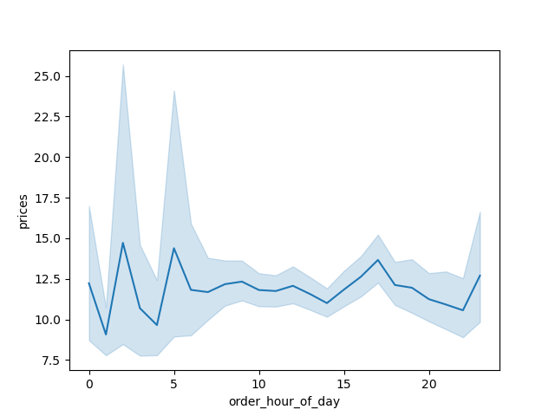

This line chart shows the average prices of the items that are ordered at each hour. This is a good visulization to see when people are purchasing more expensive items. From the line chart it seems that at 2 or 3 are high prices and at 17 oclock as well.

 | Instacart has a lot of products with different price tags. Marketing and sales want to use simpler price range groupings to help direct their efforts.

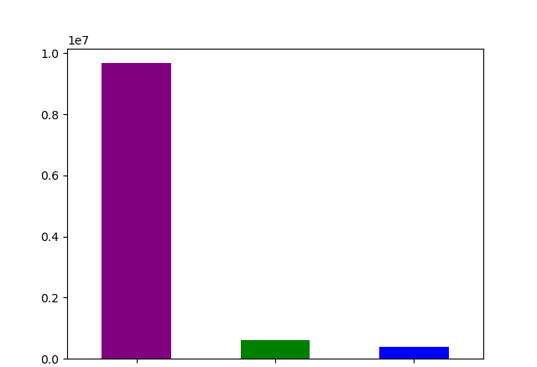


 |  | low range prices | Mid range prices | High end prices

 |  |  |  |  |  |  |  |  | Item price

The chart on the left shows the value counts for for the price_range_loc column. This column separates the items into a price range and as we can see from the bar graph, there are a lot more low range items ordered then anything else. In second come mid range prices and high end prices are ordered the least. In the histogram on the right we can see that up to 15 dollars items are ordered frequently but after that there is a drop off and people dont order the more expensive products.

 | Are there certain types of products that are more popular than others? The marketing and sales teams want to know which departments have the highest frequency of product orders.

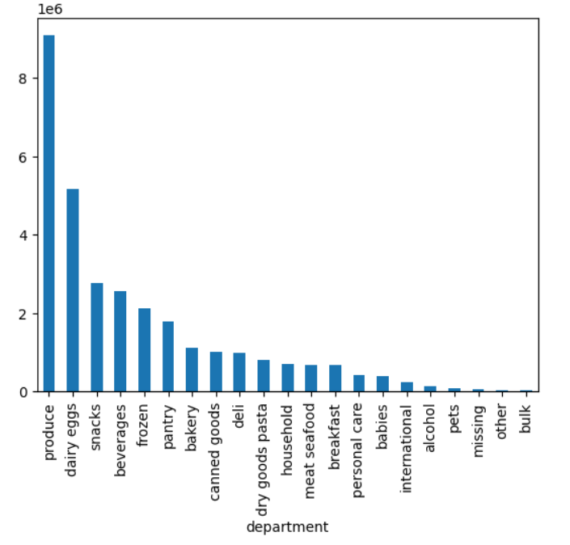
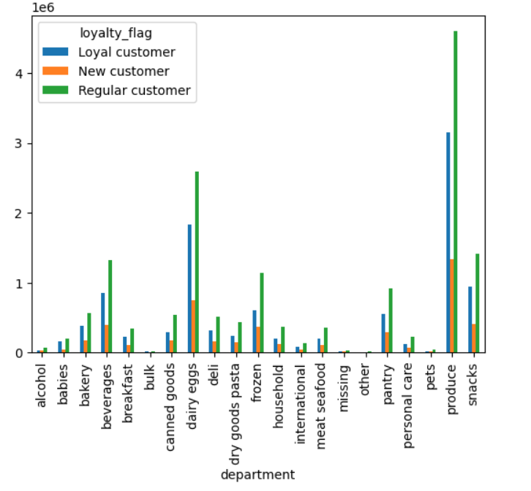

order frequency
 |  |  |  |  |  |  | order frequency

In the graph on the left it shows which department of items are the most popular to order. By far the most popular items are produce dairy/eggs and snacks. In the graph on the right it shows all of the departments and shows what type of customer buys the most of those items. Both of these graphs can be helful to figure out what the most popular departments are.

 | The marketing and sales teams are particularly interested in the different types of customers in their system and how their ordering behaviors differ.

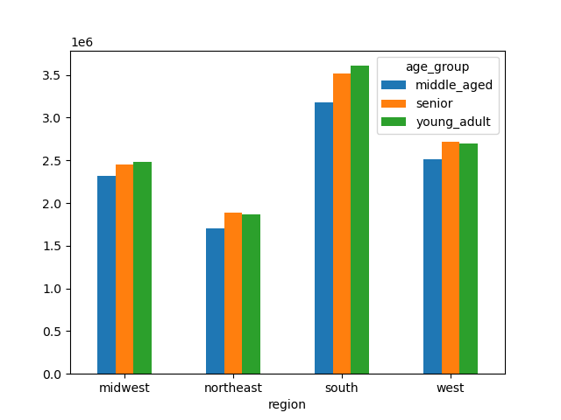
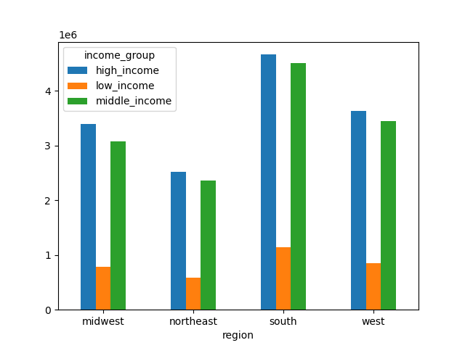

The graph on the left shows all of the different age groups that there are in each of the regions. This can be insightful when trying to market to certain population groups. The graph on the righ shows the income groups of the regions which is usefull information about knowing who is buying from instacart.

7. Recommendations
 |  |  |  |  |  |  | Title page

Recommendations

In this tab you should include any recommendations you would made to Instcart in terms of their marketing strategy based on the questions posed in the brief. Every key question has been covered in the Tasks of the Exercises - here you need to add an item - a visualisation or table/crosstable that is showing the answer in the data, acompanied by a comment from you. Please, list the questions below and add the answer underneath.

Question |  | Answer
What are the busiest days of the week and hours of the day. When is the best time to schedule ads?
What time of the day do people spend the most money on Instacart? What products should be advertised at this time?
What are some of the most popular products sold?
What departments hav the highest frequency of product orders?
Whats the distribution among users in regards to their brand loyalty?
Are there differences in ordering habits based on a customers region?
What different classifications does the demographic information suggest?

1. What are the busiest days of the week and hours of the day. When is the best time to schedule ads?

 |  |  | Legend
 |  |  | 0 | Saturday
 |  |  | 1 | Sunday
 |  |  | 2 | Monday
 |  |  | 3 | Tuesday
 |  |  | 4 | Wednesday
 |  |  | 5 | Thursday
 |  |  | 6 | Friday

 |  |  |  |  |  |  |  | Hour of Day

The busiest day of the week is Saturday and Sunday because people have more time on the weekend. The busiest hours of the day are between 9 and 17 oclock which is right in the middle of the day. The best times to schedule ads to promote instacart would have to be on the weekend and during the afternoon. Based on the data this is the most likely time for people to order.

What time of the day do people spend the most money on Instacart? What products should be advertised at this time?

 |  |  |  |  | Order Frequency

Based on the data people spend the most money either in the very early morning or 4-5 oclock. These are the two times were advertisements should run. Some products that should be advertised during this time would be the most popular products. Some of the most popular products on Instacart are produce, dairy/eggs, snacks, and beverages. These items should be ran in the ads during the early morning and 5-6 oclock.

What are some of the most popular products sold?

order frequency

 |  |  |  |  | order frequency

The most popular products sold on Instacart is produce by a wide margin. Dairyy/eggs, snacks, and bevereges are next most popular items which all should also be in advertisements. Some items that should not be advertised would be pet items, alcohol, and international items because they are not ordered often on instacart. Also when ordering to specific loyalty groups the above graph can show what items different looyalty groups order.

What departments hav the highest frequency of product orders?

The departments with the highest frequency of product orders are produce, dairy/eggs, snacks, beverages, and frozen items. These are the top ordered items so marketing should be focused on these items.

order frequency

 | Whats the distribution among users in regards to their brand loyalty?

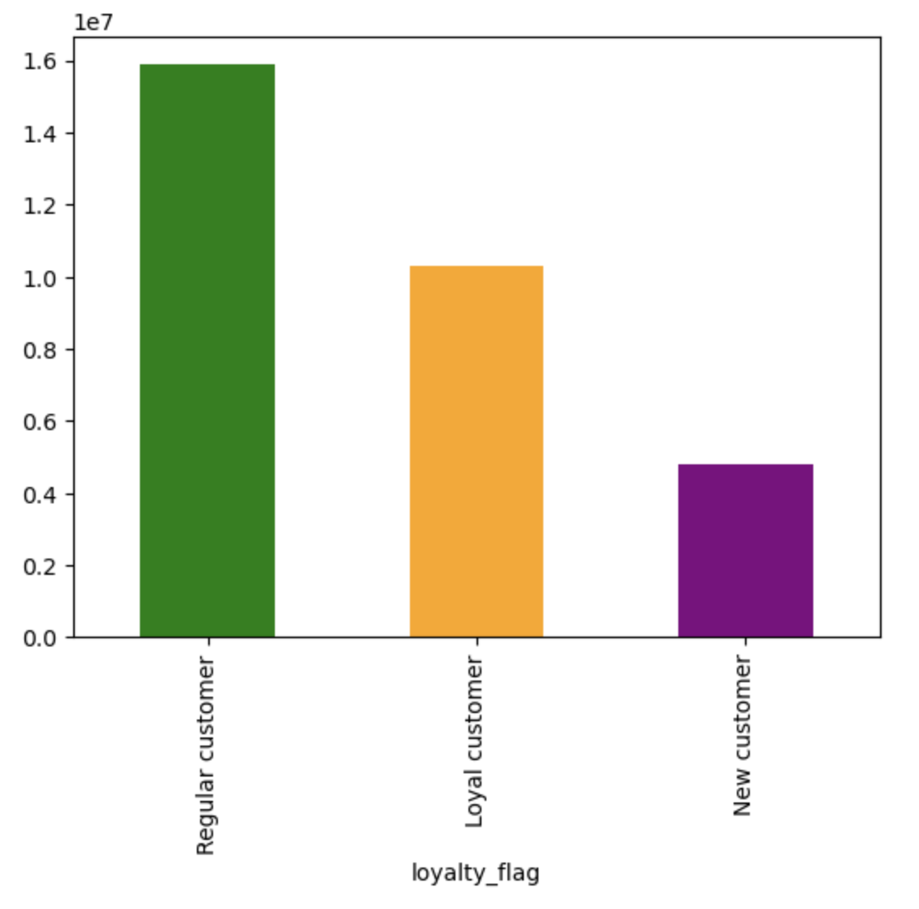

 |  |  |  |  |  | order frequency
 | order fequency

Most customers of instacart are regular customers which means that they have between 10 and 40 orders. These are the majority of customers so marketing should be targeting this group to be able to put them in the loyal customer category at some point. A way to do this is to have a incentive program to keep the regular customers to keep ordering from Instacart.

 | Are there differences in ordering habits based on a customers region?

order fequency

 |  |  |  |  | order fequency

The south has the most orders compared to the other regions and the northeast has the least amount of orders on Instacart. The west and midwest are very similar in amounts of orders. Marketing in the south should be focused on getting people to keep ordering while maketing in the northeast should be focused on attracting new users to Instacart.

 | What different classifications does the demographic information suggest?


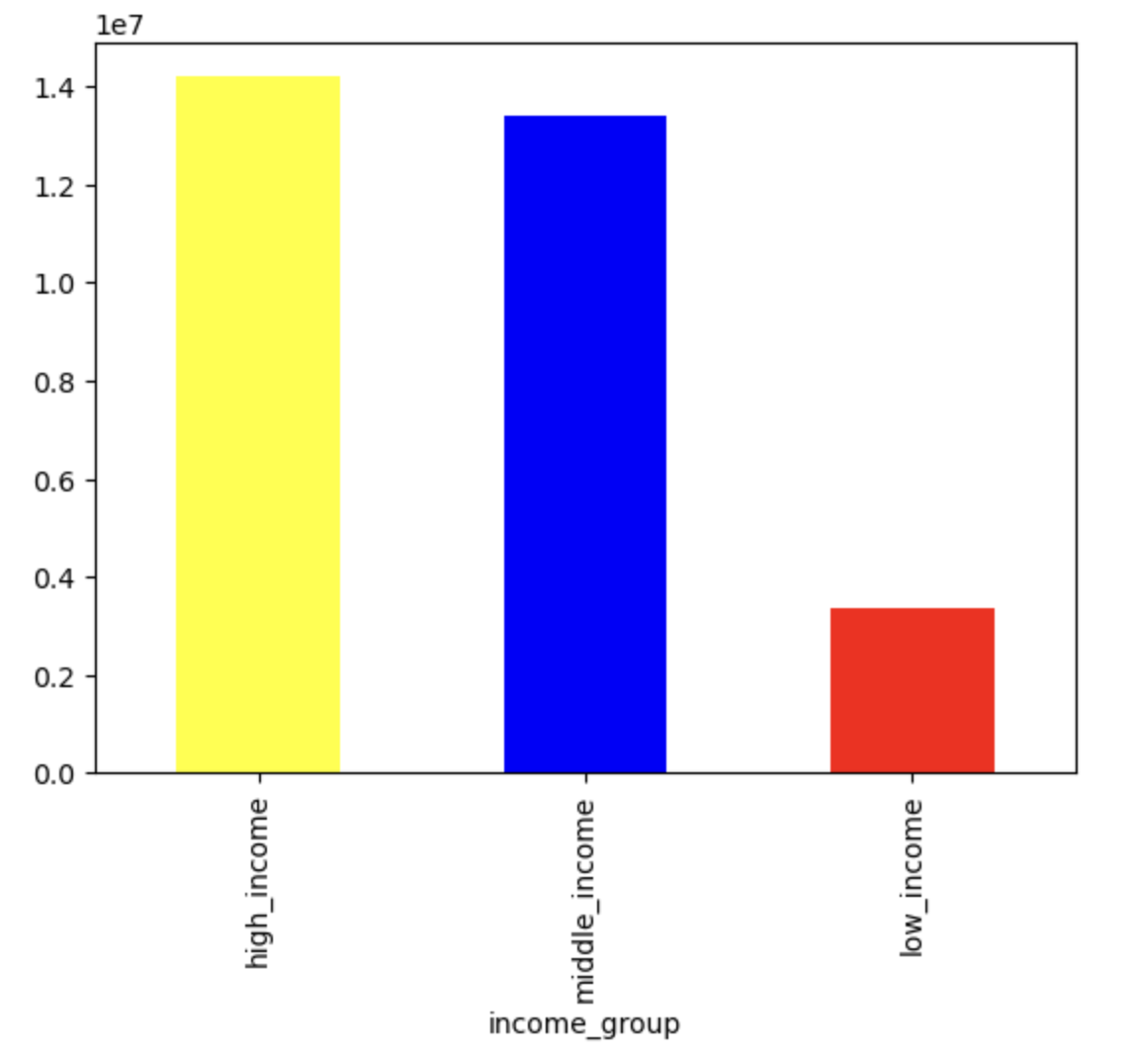
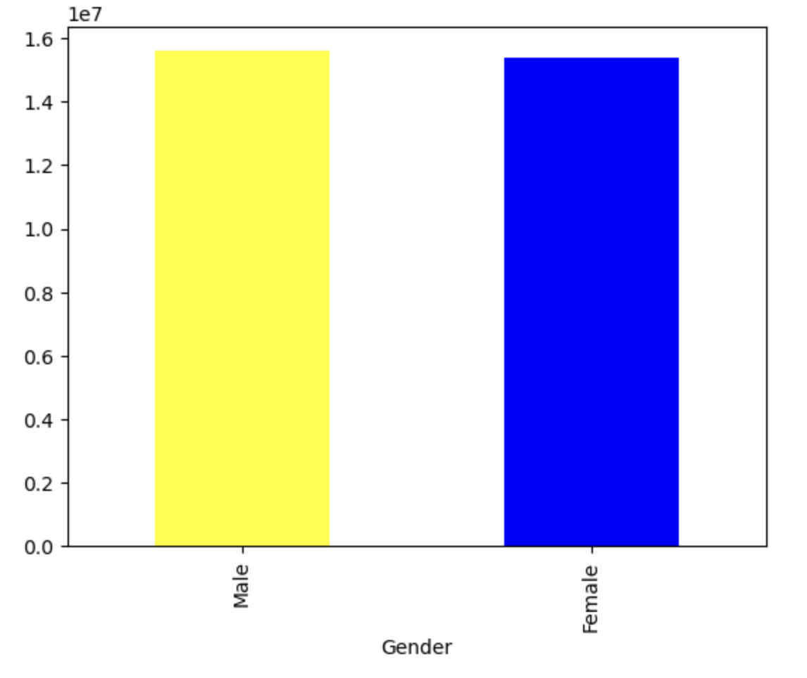

 |  |  |  | order fequency |  |  |  |  | order fequency | order fequency

For the users of Instacart it seems that most users are middle and higher class when it comes to income. Low income groups dont seem to purchase as much from instacart so the focus should be on these two groups. For age groups they are pretty much all similar in terms of ordering with a slight lead to young adults and seniors. For gender the order frequency of both male and female are almost exactly the same so they should be targeted in marketing equally.

